Sheet3
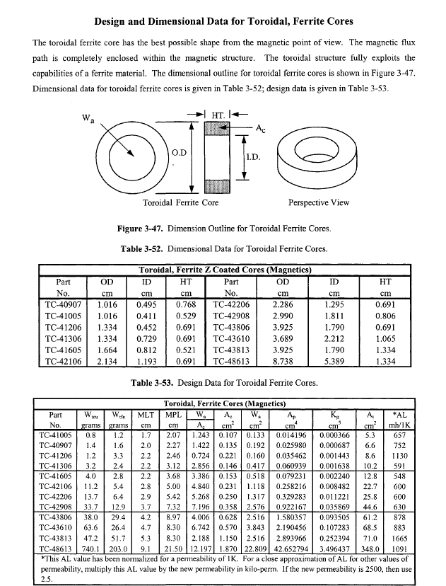
 | Inductor Design
 |  |  |  |  |  |  | 0.14561489544 |  | Core Dimensions
 |  | B(T) | Number of Turns | Current (A) | Permeance (Wb/A-t) | Reluctance(A-t/Wb) | Inductance(uH) | Inductance(mH) | A (mm) | B (mm) | C (mm) | Ae(mm^2) | le(mm) | Ve(mm^3) | Permeability | u_0 | Saturation Flux Density (mT)
Datasheet_values | Q1 | 0.26572061211 | 8 | 0.2 | 2.2752327412E-06 | 439515.47545 | 145.61489544 |  | 9.53 | 5.59 | 7.11 | 13.7 | 22.7 | 310 | 3000 | 1.2566370614E-06 | 470
Analytic Calculations | Q1 | 0.253972964 | 8 | 0.2 | 2.1746435042E-06 | 459845.48643 | 139.17718427 |  | 9.53 | 5.59 | 7.11 | 13.7 | 23.75 | 310 | 3000 | 1.2566370614E-06 | 470
 | Q3 | 0.36826079779 | 8 | 0.3 | 2.1021553874E-06 | 475702.22734 | 134.53794479 |  | 9.53 | 5.59 | 7.11 | 13.7 | 23.75 | 310 | 2900 | 1.2566370614E-06 | 470
 | Q4 | 0.0010012098674 | 8 | 0.2 | 8.5728594893E-09 | 116647193.54 | 0.54866300732 |  | 9.53 | 5.59 | 7.11 | 13.7 | 23.75 | 310 | 3000 | 1.2566370614E-06 | 470
 | Q5 | 0.00099714338864 | 8 | 0.2 | 1.707608053E-08 | 58561447.881 | 1.0928691539 |  | 9.53 | 5.59 | 7.11 | 27.4 | 23.75 | 310 | 3000 | 1.2566370614E-06 | 470 | B_dc_max(T) | B_ac_max(T)

 |  | 0.27796580161 | 8 | 0.2 | 2.3800821763E-06 | 420153.56023 | 0.15232525928 |  |  |  |  | 13.7 | 21.7 |  | 3000 | 1.2566370614E-06
 |  | 0.2913941012 | 8 | 0.2 | 2.4950619915E-06 | 400791.64501 | 0.15968396746 |  |  |  |  | 13.7 | 20.7 |  | 3000 | 1.2566370614E-06
 |  | 0.30618567994 | 8 | 0.2 | 2.6217148845E-06 | 381429.72979 | 0.16778975261 |  |  |  |  | 13.7 | 19.7 |  | 3000 | 1.2566370614E-06
 |  | 0.32255924572 | 8 | 0.2 | 2.7619135414E-06 | 362067.81458 | 0.17676246665 |  |  |  |  | 13.7 | 18.7 |  | 3000 | 1.2566370614E-06
 |  | 0.25450877194 | 8 | 0.2 | 2.1792313597E-06 | 458877.39067 | 0.13947080702 |  |  |  |  | 13.7 | 23.7 |  | 3000 | 1.2566370614E-06
 |  | 0.24420477307 | 8 | 0.2 | 2.0910033694E-06 | 478239.30588 | 0.13382421564 |  |  |  |  | 13.7 | 24.7 |  | 3000 | 1.2566370614E-06
 |  | 0.23470264182 | 8 | 0.2 | 2.0096413706E-06 | 497601.2211 | 0.12861704772 |  |  |  |  | 13.7 | 25.7 |  | 3000 | 1.2566370614E-06
 |  | 0.22591228071 | 8 | 0.2 | 1.9343739036E-06 | 516963.13632 | 0.12379992983 |  |  |  |  | 13.7 | 26.7 |  | 3000 | 1.2566370614E-06

 |  | B_mean(T) |  | Inductance(mH)
 |  | 0.23441430947 | 498213.27644 | 0.20071725249

